Award Requirements
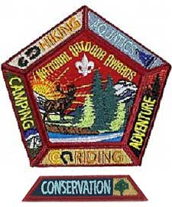
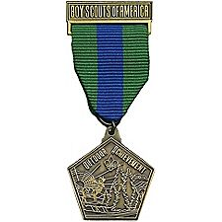
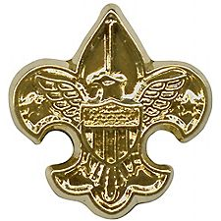
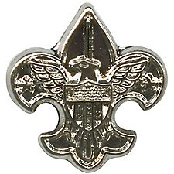
National Outdoor Badges for Camping, Hiking, Aquatics, Riding, Adventure and Conservation

The six National Outdoor Awards badges recognize a Boy Scout, Varsity Scout, Sea Scout, or Venturer who demonstrates knowledge and experience in camping, aquatics, conservation, hiking, riding, or adventure. Youth earning the National Outdoor Awards badges have demonstrated that they are knowledgeable, safe, and comfortable in the outdoor activity covered by the badge.
National Outdoor Awards badges may be earned in the following areas:

Camping. A Boy Scout, Varsity Scout, Sea Scout, or Venturer may earn the National Outdoor Badge for Camping upon successfully completing the following requirements:
Earn the Boy Scout First Class rank, Sea Scout Apprentice rank, or complete Venturing Ranger Award requirements 1–6.
Complete the Camping merit badge requirements.
Complete the requirements for two of the following three: Cooking merit badge or Ranger Cooking core; First Aid merit badge or Ranger First Aid core; Pioneering merit badge.
Complete 25 days and nights of camping—including six consecutive days (five nights) of camping (Sea Scouts may be on a boat), approved and under the auspices and standards of the Boy Scouts of America—including nights camped as part of requirements 1 through 3 above. Boy Scouts and Varsity Scouts must complete six consecutive days (five nights) of the 25 nights at a BSA accredited resident camp.
A gold device may be earned for each additional 25 nights of camping. A silver device is earned for each additional 100 nights of camping. The youth may wear any combination of devices totaling his or her current number of nights camping.

Hiking. A Boy Scout, Varsity Scout, Sea Scout, or Venturer may earn the National Outdoor Badge for Hiking upon successfully completing the following requirements:
Earn the Boy Scout First Class rank, Sea Scout Apprentice rank, or complete Venturing Ranger Award requirements 1-6.
Complete the requirements for one of the following: Hiking merit badge, Backpacking merit badge, or Venturing Ranger Backpacking elective.
Complete the requirements for one of the following: Orienteering merit badge, Geocaching merit badge, *Pathfinding merit badge, or Venturing Ranger Land Navigation core requirement.
Complete 100 miles of hiking, backpacking, snowshoeing, or cross country skiing under the auspices of the Boy Scouts of America, including miles hiked as part of requirements 2 and 3.
*Only the Scouts who have already earned the Pathfinding merit badge during Scouting's centennial celebration in 2010 and first quarter of 2011 can receive credit for this requirement. This badge has been discontinued since then, and can no longer be earned.
A gold device may be earned for each additional 50 miles hiked, backpacked, snowshoed, or skied as outlined in requirements 2 and 3. A silver device is earned for each additional 200 miles of hiking. The youth may wear any combination of devices totaling his or her current number of miles hiking.

Aquatics. A Boy Scout, Varsity Scout, Sea Scout, or Venturer, may earn the National Outdoor Badge for Aquatics upon successfully completing the following requirements:
Earn the Boy Scout First Class rank, Sea Scout Apprentice rank, or complete Venturing Ranger Award requirements 1-6.
Complete the requirements for the Swimming merit badge and either Lifesaving merit badge or Venturing Ranger Lifesaver elective. (For Sea Scouts, swimming merit badge requirements are an Ordinary rank requirement, and lifesaving merit badge requirements are an Able rank requirement).
Complete the requirements for the Mile Swim BSA Award.
Complete the requirements for at least one of the following: Canoeing, Fishing, Fly-Fishing, Kayaking, Rowing, Scuba Diving, Small-Boat Sailing, Water Sports, or Whitewater merit badges or Ranger Award Fishing, Scuba or Watercraft electives. Complete at least 25 hours of on-the-water time, applying the skills that you learned in the merit badge or Ranger elective.
Complete at least 50 hours of any combination of swimming, canoeing, fishing, fly-fishing, kayaking, rowing, scuba, small-boat sailing, stand up paddleboarding, water sports, or whitewater activity under the auspices of the Boy Scouts of America, including time spent in requirements 2 through 4.
A gold device may be earned for each additional 25 hours of aquatics activity listed in requirement 5. A silver device is earned for each additional 100 hours of aquatics activity. The youth may wear any combination of devices totaling his or her current number of hours of aquatics activity.

Conservation. A Boy Scout, Varsity Scout, Sea Scout, or Venturer may earn the National Outdoor Badge for Conservation upon successfully completing the following requirements:
Earn the Boy Scout First Class rank, Sea Scout Apprentice rank, or complete Venturing Ranger Award requirements 1-6.
Demonstrate the safe use of five of the following conservation tools: pick or pickax; shovel or spade; ax; bow saw; cross-cut saw; prybar; sledge hammer; loppers or shears; fire rake or McLeod; and/or Pulaski. Discuss the ethical use of the tools you chose.
Complete the requirements for the following:
Environmental Science merit badge or Sustainability merit badge or both Venturing Ranger Conservation core and Ecology elective
Soil and Water Conservation merit badge
One of the following merit badges: Fish and Wildlife Management, Forestry, or Mammals
Complete 25 hours of conservation work under the auspices and standards of the Boy Scouts of America, including hours worked as part of requirements 1 through 3.
A gold device may be earned for each additional 25 hours of conservation work. A silver device is earned for each additional 100 hours of conservation work (for example, the first silver device is earned at 125 total hours of conservation work). Youth may wear any combination of devices totaling his or her current number of hours of conservation work.

Riding. A Boy Scout, Varsity Scout, Sea Scout, or Venturer may earn the National Outdoor Badge for Riding upon successfully completing the following requirements:
Earn the Boy Scout First Class rank, Sea Scout Apprentice rank, or complete Venturing Ranger Award requirements 1-6.
Complete the requirements for at least one of the following:
Cycling merit badge or Ranger Cycling/Mountain Biking elective and 100 miles of cycling
Horsemanship merit badge or Ranger Equestrian elective and 20 miles of horseback riding
Motorboating merit badge or Ranger Watercraft elective and 100 miles of motor boating
Skating merit badge or Ranger Winter Sports elective and 20 miles of skating
Complete 200 miles of riding activities, including cycling, stock riding, skating, motor boating, mountain boarding, snowmobiling, (including ATV or PWC riding at an approved council program), under the auspices of the Boy Scouts of America, including the miles in requirement 2.
A gold device may be earned for each additional 100 miles of riding set forth in requirement 3. A silver device is earned for each additional 400 miles of riding. The youth may wear any combination of devices totaling his or her current number of miles of riding.

Adventure. A Boy Scout, Varsity Scout, Sea Scout, or Venturer may earn the National Outdoor Badge for Adventure upon successfully completing the following requirements:
Earn the Boy Scout First Class rank, Sea Scout Apprentice rank, or complete Venturing Ranger Award requirements 1-6.
Complete the requirements for one of the following: Wilderness Survival, Search and Rescue, or Emergency Preparedness merit badges or Ranger Wilderness Survival core, Ranger Emergency Preparedness core, or Ranger First Aid elective.
Complete 10 of any combination or repetition of the following adventure activities under the auspices of the Boy Scouts of America:
A backpacking trip lasting three or more days and covering more than 20 miles without food resupply
A canoeing, rowing, or sailing trip lasting three or more days and covering more than 50 miles without food resupply
A whitewater trip lasting two or more days and covering more than 20 miles without food resupply
A climbing activity on open rock, following Climb On Safely principles, that includes camping overnight

